Точечные оценки
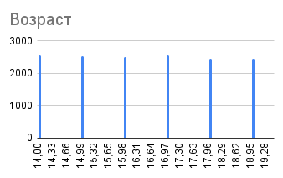
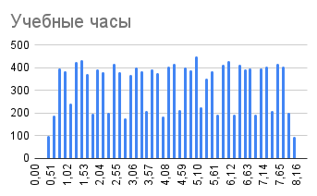
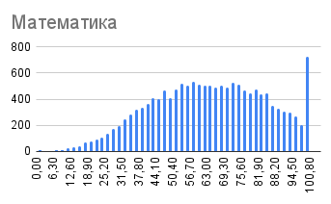
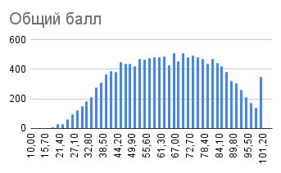
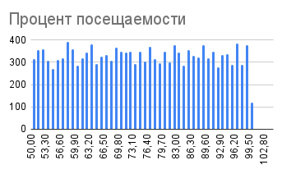
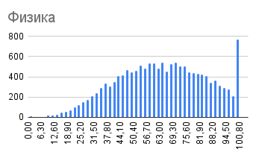

 | Возраст | Учебные часы | Процент посещаемости | Математика | Физика | Английский | Общий балл
Среднее | 16 | 4.3 | 75.0 | 63.8 | 63.8 | 63.7 | 64.0
Медиана | 16 | 4.3 | 75.0 | 64.1 | 64.0 | 64.2 | 64.3
Дисперсия | 2.9054152972 | 4.7196540956 | 207.36499079 | 437.67286364 | 442.18476422 | 435.1529677 | 360.1756998
СКО | 1.704527881 | 2.1724764891 | 14.40017329 | 20.920632487 | 21.028189751 | 20.860320412 | 18.978295492
Коэфф. вариации | 10.345248933 | 51.0059934 | 32.743663803 | 32.803914478 | 32.985135239 | 32.743663803 | 29.646690304
Размах | 5 | 7.5 | 50.0 | 100.0 | 100.0 | 100.0 | 85.5
Интердецильный размах | 5 | 6.1 | 39.9 | 56.6 | 57.1 | 56.3 | 50.9

